WALLETS
TRUSSARDI COLLECTION

 |  |  | 3498 | € 89.99 | € 314,785.02
ARTICLE | DESCRIPTION | COLOR | UNITS | RRP | RRP VALUE
WALLET | 411 | BLACK | 366 | € 89.99 | € 32,936.34
 |  | DARK BROWN | 337 | € 89.99 | € 30,326.63
 |  | BLEU | 384 | € 89.99 | € 34,556.16
 |  | TOT | 1087 |  | € 97,819.13
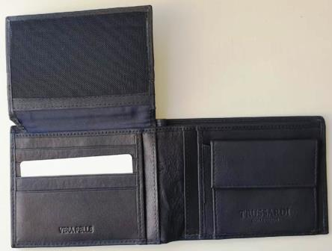
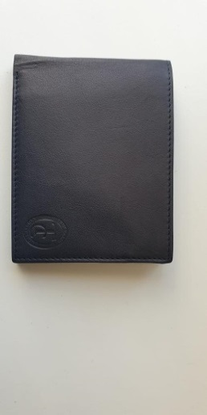

ARTICLE | DESCRIPTION | COLOR | UNITS | RRP | RRP VALUE
PORTAFOGLIO |  | BLACK | 323 | € 89.99 | € 29,066.77
 |  | DARK BROWN | 101 | € 89.99 | € 9,088.99
 |  | BLEU | 89 | € 89.99 | € 8,009.11
 |  | TOT | 513 |  | € 46,164.87
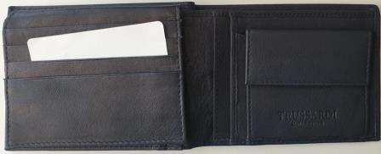
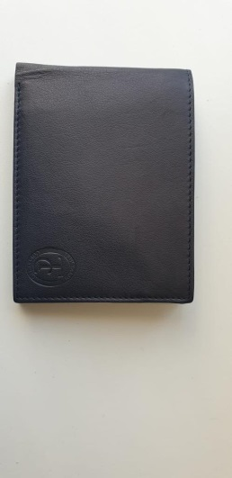

ARTICLE | DESCRIPTION | COLOR | UNITS | RRP | RRP VALUE
WALLET |  | BLACK | 923 | € 89.99 | € 83,060.77
 |  | DARK BROWN | 469 | € 89.99 | € 42,205.31
 |  | BLEU | 506 | € 89.99 | € 45,534.94
 |  | TOT | 1898 |  | € 170,801.02

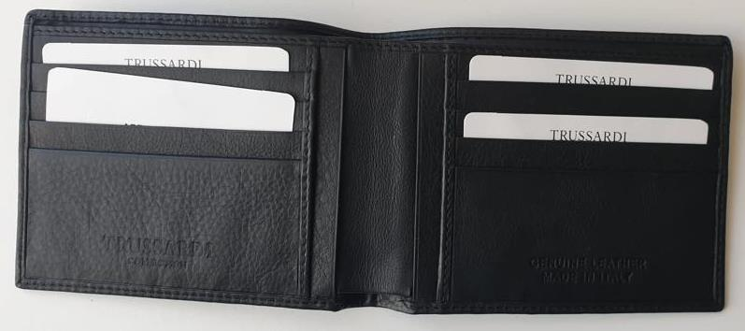
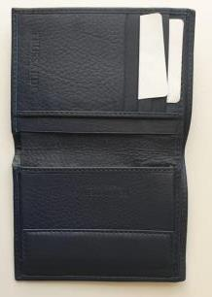

GRAND TOTAL | QTY
BLACK | 1612
DARK BROWN | 907
BLEU | 979
 | 3498

